50-6
Iconic
Typical 50-6
Prices based on March 27, 2023 Price List. Finishes Shown: Oak Riftwood with Mayer Bali Lichen Finger Pulls and Mayer Blueprint Alabaster Tackboard. Joy Seating shown with Black Mesh Back and Mayer Bali Lichen on the seat. |  |  | 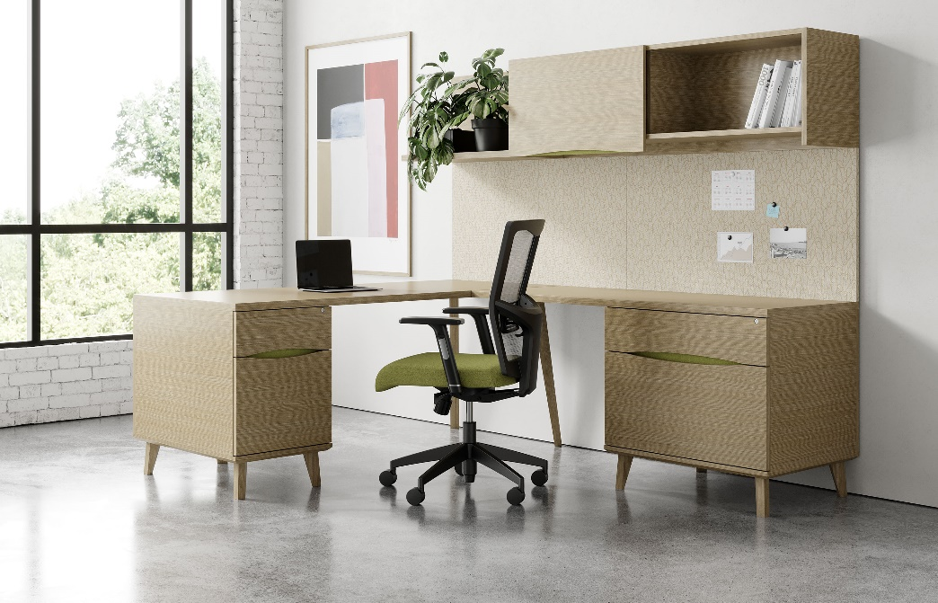

Model # | Qty | Description |  | Base List Price | Base Ext List Price | List Price as Shown | Total as Shown
50-6024RLR | 1 | Return with Box/Lateral File, Right, Finger Pulls Gr 2 |  | $3,524 | $3,524 | $3,623 | $3,623
50-1560SWD | 1 | Wall Mount Hutch with Sliding Door |  | $2,236 | $2,236 | $2,308 | $2,308
50-1536LS | 1 | Wall Mount L-Shelf |  | $815 | $815 | $815 | $815
TB-6696W | 1 | Wall Mount Tackboard, Gr 2 |  | $761 | $761 | $761 | $761
853 | 1 | Joy Mesh Back Chair, Gr 2 |  | $1,449 | $1,449 | $1,499 | $1,499
SUBTOTAL |  |  |  |  | $8,785 |  | $9,006

50-3672LP | 1 | Single Ped Desk, Left, Finger Pulls Gr 2 |  | $3,855 | $3,855 | $3,954 | $3,954
 |  |  | SUBTOTAL FROM ABOVE |  | $8,785 |  | $9,006
TOTAL HPL/VENEER TOP WITH SQUARE EDGE LIST |  |  |  |  | $12,640 |  | $12,960

50-3672LP | 1 | Single Ped Desk, Left, Finger Pulls Gr 2 |  | $4,204 | $4,204 | $4,303 | $4,303
 |  |  | SUBTOTAL FROM ABOVE |  | $8,785 |  | $9,006
TOTAL HPL/VENEER TOP WITH KNIFE OR ILLUSION EDGE LIST |  |  |  |  | $12,989 |  | $13,309

50-3672LP | 1 | Single Ped Desk, Left, Finger Pulls Gr 2 |  | $6,215 | $6,215 | $6,314 | $6,314
 |  |  | SUBTOTAL FROM ABOVE |  | $8,785 |  | $9,006
TOTAL 3D LAMINATE TOP WITH SQUARE EDGE LIST |  |  |  |  | $15,000 |  | $15,320

50-3672LP | 1 | Single Ped Desk, Left, Finger Pulls Gr 2 |  | $6,368 | $6,368 | $6,467 | $6,467
 |  |  | SUBTOTAL FROM ABOVE |  | $8,785 |  | $9,006
TOTAL 3D LAMINATE TOP WITH KNIFE OR ILLUSION EDGE LIST |  |  |  |  | $15,153 |  | $15,473

